Work Summary
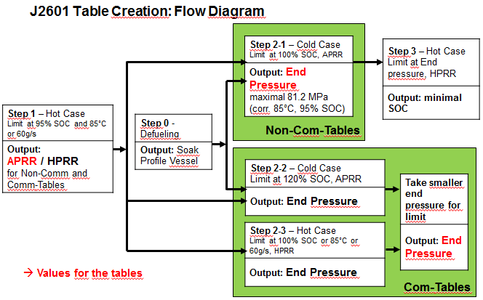
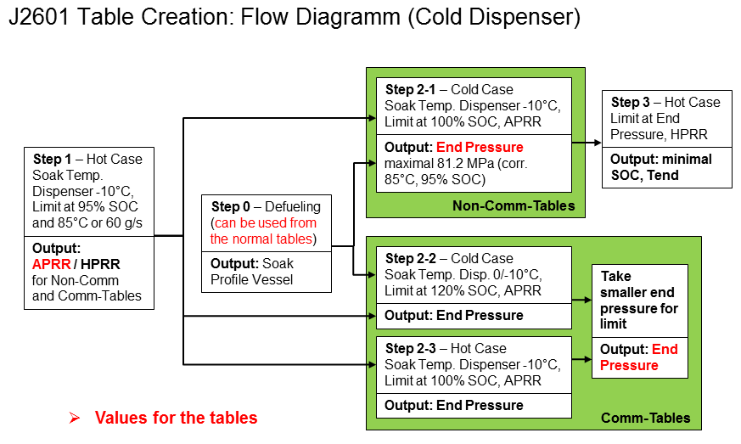
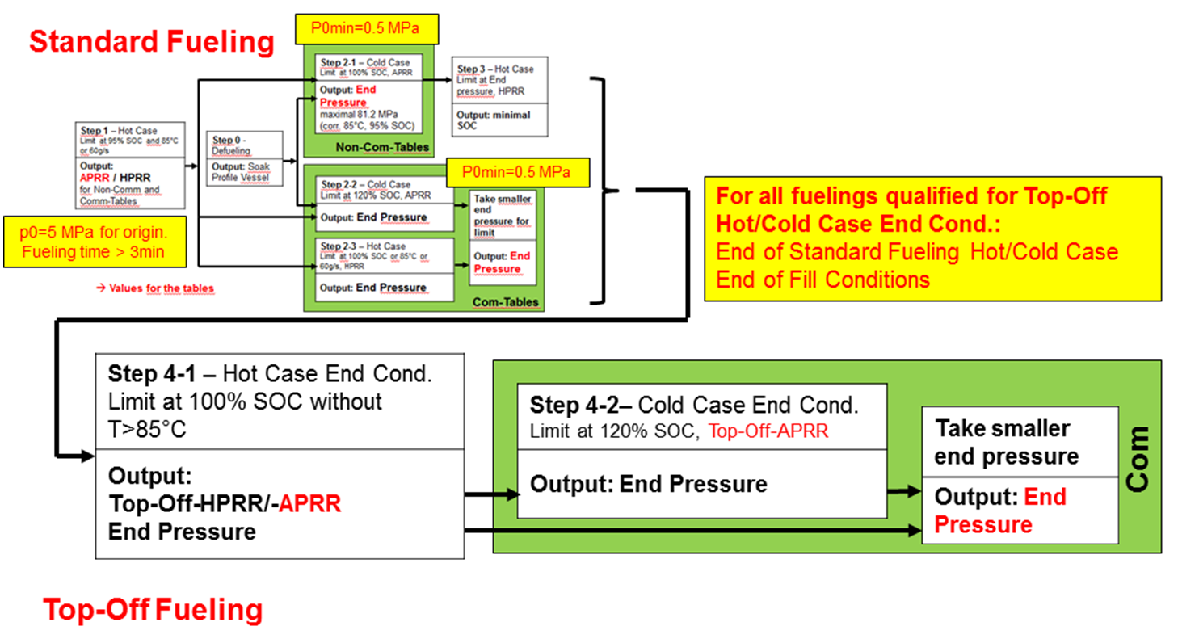
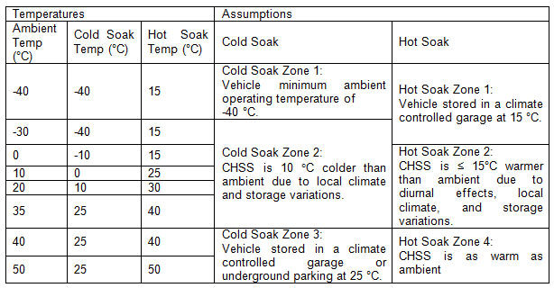
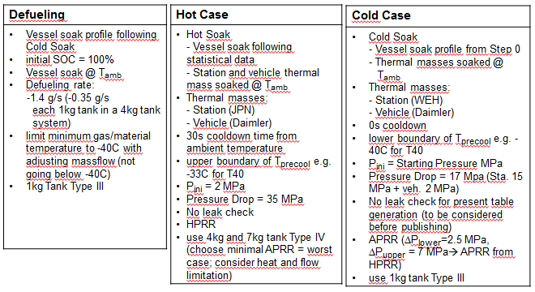
Overview Fueling Tables

Protocol | Tanks Modeled | Station Dispenser |  | Ramp Rates | Top-Off | Cold Dispenser | Tables on Excel Sheet
 |  | Pressure | Precooling Category
70MPa, 2-4kg | Hot Case: 2kg/ 4kg 70MPa TypeIV (49.7 / 99.4 L) Cold Case: 1kg 70MPa TypeIII (24.9 L) | 70MPa | -40°C | determined by Step 1 simulations | only for Comm-tables | available | Non-Comm: 70MPa, 2-4kg (non-comm)
 |  |  | -30°C |  |  |  | Comm: 70MPa, 2-4kg (comm)
 |  |  | -20°C
70MPa, 4-7kg | Hot Case: 4kg/ 7kg 70MPa TypeIV (99.4 / 174.0 L) Cold Case: 1kg 70MPa TypeIII (24.9 L) | 70MPa | -40°C | determined by Step 1 simulations | only for Comm-tables | available | Non-Comm: 70MPa, 4-7kg (non-comm)
 |  |  | -30°C |  |  |  | Comm: 70MPa, 4-7kg (comm)
 |  |  | -20°C
70MPa, 7-10kg | Hot Case: 7kg/ 10kg 70MPa TypeIV (174.0 / 248.6 L) Cold Case: 1kg 70MPa TypeIII (25L) | 70MPa | -40°C | determined by Step 1 simulations | only for Comm-tables | available | Non-Comm: 70MPa, 7-10kg (non-comm)
 |  |  | -30°C |  |  |  | Comm: 70MPa, 7-10kg (comm)
 |  |  | -20°C
35MPa | Hot Case: 2.4/ 4.2kg 70MPa TypeIV (99.4 / 174.0 L) Cold Case: 1kg 35MPa Type III (41.6 L) | 35MPa | -40°C | identical with RR from 70MPa, 4-7kg | not available | not available | Non-Comm: 35MPa, 2.4-4.2kg (non-comm)
 |  |  | -30°C |  |  |  | Comm: 35MPa, 2.4-4.2kg (comm)
 |  |  | -20°C
35MPa | Hot Case: 4.2/ 6.0kg 70MPa TypeIV (174.0 / 248.6 L) Cold Case: 1kg 35MPa Type III (41.6 L) | 35MPa | -40°C | identical with RR from 70MPa, 7-10kg | not available | not available | Non-Comm: 35MPa, 4.2-6.0kg (non-comm)
 |  |  | -30°C |  |  |  | Comm: 35MPa, 4.2-6.0kg (comm)
 |  |  | -20°C

ResultsSensitivityStudy
 |  |  |  |  |  |  |  |  |  |  | Team Decisions Need to Be Confirmed By Team on SAE J2601 Meeting on 2/19/2002
 | Results Sensitivity Study

 | a) Simulation
 | see definition of basecase at bottom of this excel sheet
 | Realized Studies | Description / Purpose | Results |  |  |  |  |  |  | Comment | Team Decision
 | 1) Liner | Analyze the influence of different liner properties, because the non-consistent use of various liners to date ended up in different values for HPRR which calculates APRR. Examined liners: - Base Case (HDPE used in Sensitivity Study so far, 0.25 W/m/K heat conductivity) - HDPE Powertech (used in Powertech tests, 4.7kg Type IV tank, 0.5 W/m/K heat conductivity) - PA6 (VDI Waermeatlas, temperature dependent) - HDPE (VDI Waermeatlas, temperatue dependent) See: 2013-01-23_MGR_Review_Liner Properties.pdf | ID |  | HPRR [MPa/min] |  | APRR [MPa/min] |  |  | Using different liner parameters strongly effects the resulting ramp rates due to different values of e.g. heat conductivity. → discussion needed to make a decision and commit to one liner for further simulations. | use of HDPE liner with heat conductivity λ = 0.5 W/(m*K) (so called "HDPE_Powertech")
 |  |  | 1 | Base Case | 17.2 | -- | 15.3
 |  |  |  |  |  | related to Base Case
 |  |  | 2 | HDPE_Powertech | 25.8 | +50% | 23
 |  |  | 3 | PA6 | 20.1 | +17% | 17.9
 |  |  | 4 | HDPE | 22.6 | +31% | 20.1

 | 2) Extreme Volume | Determine worst case tank at different ambient temperatures (all components soaked), in each case regarding 4kg and 7kg tank worst case ↔ lowest HPRR limiting factors: - T: heat/end temperature in tank (85C) - mass flow: HPRR results in flow >60g/s See: 2013-02-05_MW_Update_SensitivityStudy_Refueling _Simulation_MGR.pdf | ID |  | Tank | HPRR [MPa/min] | limited by |  |  | Worst case tank differs depending on ambient temperature → should be considered in table creation | Use Highest/ Lowest Tank for APRR "hot case simulation"
 |  |  | 5 | Tamb = +50C | 4kg | 4.7 | T
 |  |  | 6 |  | 7kg | 6.7 | T
 |  |  | 7 | Tamb = +40C | 4kg | 10.9 | T
 |  |  | 8 |  | 7kg | 13.2 | T
 |  |  | 9 | Tamb = +20C | 4kg | 25.8 | T
 |  |  | 10 |  | 7kg | 26.7 | T
 |  |  | 11 | Tamb = 0C | 4kg | 43.4 | T
 |  |  | 12 |  | 7kg | 38 | mass flow
 |  |  | 13 | Tamb = -40C | 4kg | 86 | mass flow
 |  |  | 14 |  | 7kg | 38 | mass flow
 |  |  | 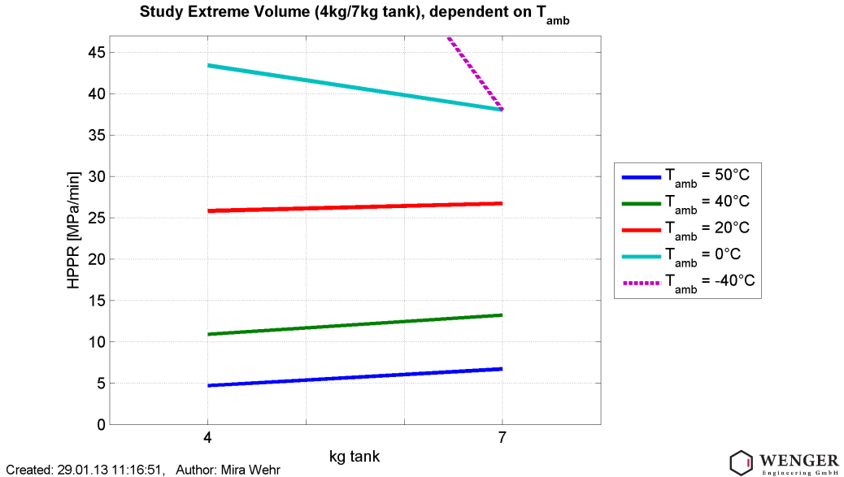

 | 3) Hot/Cold Dispenser | Analyze the influence of already cooled down dispenser on HPRR and to determine the percentaged changing compared to the corresponding cases with all components soaked at Tamb. Furthermore: detection of worst case tank. Assumption: TMCstation = -20C for all cases See: 2013-02-05_MW_Update_SensitivityStudy_Refueling _Simulation_MGR.pdf | ID |  | Tank | HPRR [MPa/min] | changing | referred to HPRR [Mpa/min] |  | Already cooled down station components improve HPRR significantly, increasing with higher ambient temperatures. Worst cases behave different, but with higher ambient temperatures the difference decreases. → supports the recommendation of the Extreme Volume Study to consider both tanks as worst cases depending on temperature terms. | Validation of Appendix Needed (data/ wording): Specify a means for -10C (with SIL sensors)To be used for J2601 at a minimum in Appendix, however team to decide on application. Proposal that it could be conbined with APRR Improvement (limiting pressure) to give higher SOC .
 |  |  | 15 | Tamb = 20C | 4kg | 31.9 | +24% | 25.8 | see ID 9
 |  |  | 16 |  | 7kg | 30.3 | +14% | 26.7 | see ID 10
 |  |  | 17 | Tamb = 40C | 4kg | 18 | +65% | 10.9 | see ID 7
 |  |  | 18 |  | 7kg | 18.2 | +38% | 13.2 | see ID8

 | 4) Pressure Corridor | Evaluate the proposed pressure corridor (dPlower= 2,5MPa, dPupper = 7MPa) and consider pressure ramp rates that vary from HPRR and might result in gas end temperatures higher than 85C. Simulations at Hot Soak conditions: 1. Tamb = 0C, Thotsoak = 15C 2. Tamb = 20C, Thotsaok = 30C 3. Tamb = 35C, Thotsoak = 40C Supposing in each case 2 different "worst case" paths (see graphic on the right), a and b. APRR_flow: APRR that results in peak flow of 60g/s APRR: calculated from HPRR according to the correlation on the right. Used tank: 4kg Stop criteria for simulation: 87.5MPa end pressure See/Source: Proposal to evaluate worst case fueling within the pressure corridor (4).pdf 2013-02-05_MW_Update_SensitivityStudy_Refueling _Simulation_MGR.pdf | ID |  | Path | APRR [MPa/min] | APRR_flow [MPa/min] | Tmax [°C] |  | Even with the assumed worst cases that result in higher end temperatures, the difference to 85C is very small (<1K). → overheating is insignificant (also regarding the uncertainty of the assumed worst cases). Recommendation: keep simple HPRR calculation as it was proposed (see path 1 to 3 in graphic) | Assumptions for Corridore from Opel/JARI Agreement approved.
 |  |  | 19 | 1. Simulation | a | 29.4 | 88 | 84.8
 |  |  | 20 |  | b | 29.4 | 88 | 84.9
 |  |  | 21 | 2. Simulation | a | 17.4 | 89 | 85.4
 |  |  | 22 |  | b | 17.4 | 89 | 85.1
 |  |  | 23 | 3. Simulation | a | 10.2 | 89 | 85.8
 |  |  | 24 |  | b | 10.2 | 89 | 85.5

 |  |  | 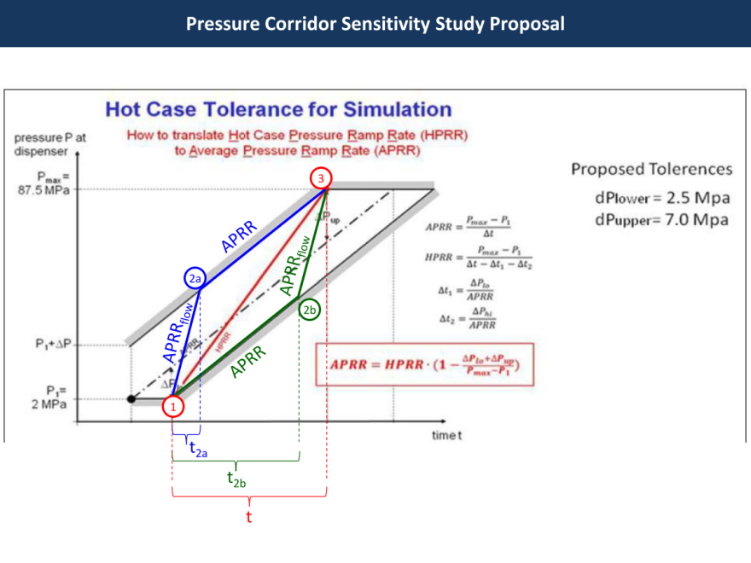
 | 5) Optimize APRR with Limit in End Pressure Study (SOC) | Analyze mutual impact between positive APRR and negative SOC(Linit End Pressure) | ID |  | End T | End SOC | End P | HPRR [MPa/min] |  | What APRR advantage would be had by reducing the target pressure (SOC)? --> Reducing the target SOC to 95% (90%) increases the HPRR with 9% (20%) --> Besides: Filling up to 87.5 MPa is a worst hot case assumption, a lower end pressure resulting from Step 2 cold case simulation impacts the fueling time positively (independent from HPRR). Therefore it might not be necessary to consider a lower target SOC already for Step 1 hot case simulation in purpose to decrease Non-Com fueling times. --> Even more, limiting the end pressure to 81.2 MPa (75.1 MPa) per definition has a SOC disadvantage for Communication fills. | Consensed on upper SOC with comm. 120%, We will use 95% SOC for non-comm table case and for ramp rate for both tables. Do first tables with Daimler/Wenger Proposal and revisit.
 |  |  | 2 | Tamb=20C 4kg Tank Pinitial=2MPa | 85C | 100% | 87.5 | 25.8
 |  |  | 25 |  | 85C | 95% | 81.2 | 28.2
 |  |  | 26 |  | 85C | 90% | 75.1 | 30.9

 | 6) Effect on End Pressure with lower then 2MPa start pressure | Analyze the impact ruduced starting pressure has on the final gas temperature required to not exceed 85C at Lookup Table prescribed HPRR. As a result the final SOC will decrease as well. This study shall examine this reduction. Simulation executed with all components soaked at ambient temperature and Pressure Drop = 30MPa. | ID |  | Pini [MPa] | End T [°C] | HPRR [MPa/min] | End P [MPa] | End SOC | Reducing the initial pressure in the tank by 1.5 MPa (from 2MPa to 0.5MPa) causes an reduction of the final SOC by 4.5%. | Not to affect first set of tables. Honda/Toyota to work in parallel on tables to further of effect on SOC
 |  |  | 2 | Tamb=20C | 2 | 85 | 25.8 | 87.5 | 100%
 |  |  | 27 | Tamb=20C | 0.5 | 85 | 25.8 | 81.8 | 95.50%

 | b) Non-Simulation

 | Realized Studies | Description / Purpose | Results |  |  |  |  |  |  | Statement / Recommendation | Team Decision
 | 7) Hot Soak | Adjustment of the hot soak conditions to the statistics to avoid overestimation of hot soak. See/Source: J2601 Hot Case Assumptions 11-12_01.pdf |  |  |  |  |  |  |  | The statistics show that the adjustment of the hot soak boundaries is justified. → use the adjusted hot soak temperatures. | Team agreed to use that new hot soak definition from November J2601 Meeting (Veenstra)

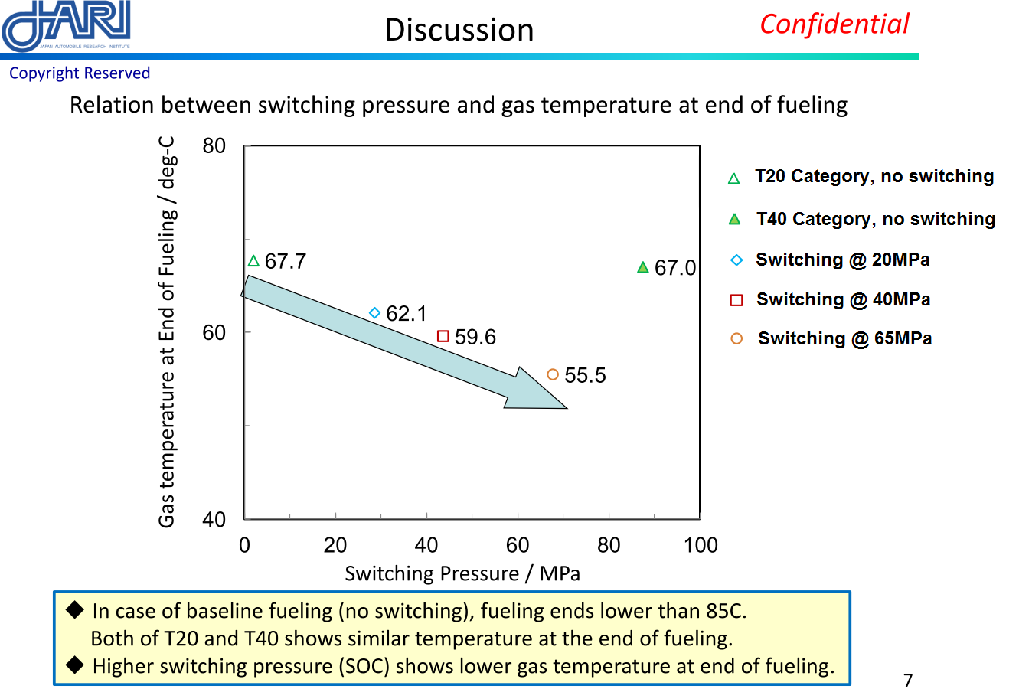
 |  |  | 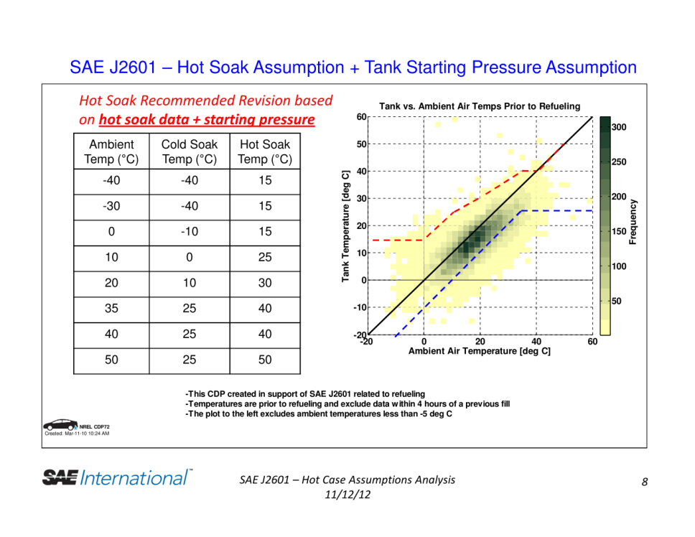
 | 8) Fallback Refueling | Confirm that end temperature and maximum SOC will not be exceeded when switching the APRR following Fallback Refueling rules: in case the dispenser gas temperature leaves the precooling window in the course of fueling, it is acceptable to lower the ramp rate and continue fueling. Stop criteria of the test on the right is SOC = 100%. See/Source: Validation Study on Fallback Fueling-Rev1.pdf |  |  |  |  |  |  |  | The testing results show that the procedure of handling fallback fueling (lower APRR and continue fueling) does not exceed the maximum temperature of 85C nor causes an overfill. | Agreed to use fallback refueling into main document

 | 8) Assumption for Pressure Drop for Table Generation | Total Pressure Drop: 15 Mpa Maximum for Fueling Hardware / Maximum 20MPa for Vehicle. Previous was 30 Mpa. Test Results indicate that in BMW-Powertech fueling trials, 35MPa is representative. See Reference Pressure Drops per test run. | Reference Total Pressure Drop = 35MPa Following the wording from SAE TIR 2601, Section 5.1.6 (changes are marked in red): "In developing this protocol, the maximum total pressure drop from receptacle to HSS was assumed to be less than 35 MPa under the following conditions: a vehicle tank pressure of 10 MPa, a fuel temperature of -15°C at the nozzle and a mass flow 1.5 times the average mass flow required to fill the entire storage capacity in 3 min (e.g., for a capacity of 5kg: mass flow = 5000 g/180s *1.5 =41.67 g/s)." |  |  |  |  |  |  | Definition of Reference Pressure Drop> Include definition and how it is measured. --> Maximum Pressure Drop needs to be stated in the Assumptions section to the J2601 document. There needs to be information given to the industry, that if there is a higher pressure drop, than the values in the fueling table may not be able to be held. | Agreed, but have to define reference

 | 9) Mass-averaged based cooling temperature | Three Options for specifying precooling temperature: 1) The absolute temperature window such as -33 to -40C 2) A mass averaged temperature over 30s 3) A mass averaged temperature (for simulation, start with highest mass averaged in precooling category for safety concerns) over the length of the fueling excluding the cool down period of 30s, where the absolute temperature window must be reached with -40C lower absolute Limit | For 3 to the left, The concept is to wait until after the absolute temperature window for cooldown window has completed, 30 seconds,, and from that time on, do a running mass average, Σ(Ti* Δmi)/( Σ Δmi) where i is the time segment, presumably a second or some fraction of a second but always after the cooldown window is complete, Ti is the flowing temperature during the time segment and Δmi is the mass flow during the time segment. |  |  |  |  |  |  |  | 3) A mass averaged temperature (for simulation, start with highest mass averaged in precooling category for safety concerns) over the length of the fueling excluding the cool down period of 30s, where the absolute temperature window must be reached with -40C lower absolute Limit

*
 | → T40 (Tcf = -33C, cooldown time = 0s, Tamb = 20C, station, vehicle and tank system all soaked at Tamb) → Thermal mass option: "JPN+Daimler" → pini = 2MPa (empty tank) → Pressure drop over all components = 30MPa → Tank system: 4kg Type IV single tank → Design rules for fictional tanks: a) length=800mm and vary diameter until it reaches 600mm b) if diameter exceeds 600mm to get inner volume: diameter=600mm and vary length Stop criteria for calculating maximal HPRR: T_Gas=85°C and SOC=100% determined HPRR: 15.2 MPa/min

 | 10) Add defueling study for second set of tables |  |  |  |  |  |  |  |  |  | First Tables -40C as max defueling temperature, take fueling rate basis at 1.4 g/s for entire tank system which results in 0.35 g/s per 1kg type 3 tank. If temperatures approach below -40C, then reduce mass flow to not go below this temperature.

JPN FuelLine
Comparison of Assumptions for Modeling between Modeler's team and JPN
 |  | Modeler's | JPN | Remarks
Pipe
Surface to ambiance [m²] | pipe_A_amb | 0.0299 | 0.044925
Current Japanese regulation
requires 4 times of safety
Current Japanese regulation
requires 4 times of safety
Surface to hydrogen [m²] | pipe_A_h2 | 0.0163 | 0.015708
Total Mass [kg] | pipe_mass | 0.399 | 1.12
Length [m] | pipe_length | 1 | 1
Outer diameter [m] | pipe_OD | 0.009525 | 0.0143
Inner diameter [m] | pipe_ID | 0.0052 | 0.005
Specific heat capacity [J/(kg*K)] | pipe_cp | 500 | 500
Heat transfer coefficient to ambient [W/(m2*K)] | pipe_alpha_amb | 38 | 3 | with thermal insulation
Surface roughness [m] | pipe_k | 2.00E-05 | ←
Break-away-Coupling
Current Japanese regulation
requires 4 times of safety
Current Japanese regulation
requires 4 times of safety
Surface to ambiance [m²] | bac_A_amb | 0.034251 | 0.0452
Surface to hydrogen [m²] | bac_A_h2 | 0.007454 | 0.002
Total mass [kg] | bac_mass | 2.289 | 3.5
Length [m] | bac_length | 0.296 | 0.2
Outer diameter [m] | bac_OD | 0.037 | 0.072
Inner diameter [m] | bac_ID | 0.008 | 0.0032
Specific heat capacity [J/(kg*K)] | bac_cp | 541 | 460
Heat transfer coefficient to ambient [W/(m2*K)] | bac_alpha_amb | 38 | 15
Kv-Value [m³/h] | bac_Kv | 0.158 | (Cv-Value) 0.09 | kv=0.865Cv kv=0.077
Fueling Hose
Surface to ambiance [m²] | hose_A_amb | 0.158 | 0.251200
Surface to hydrogen [m²] | hose_A_h2 | 0.079 | 0.125600
Current Japanese regulation
requires 4 times of safety
Current Japanese regulation
requires 4 times of safety
Total mass [kg] | hose_mass | 1.2512 | 1.14
Length [m] | hose_length | 4 | 5
Outer diameter [m] | hose_OD | 0.0126 | 0.016
Inner diameter [m] | hose_ID | 0.0063 | 0.008
Specific heat capacity [J/(kg*K)] | hose_cp | 805 | 1130
Heat transfer coefficient to ambient [W/(m2*K)] | hose_alpha_amb | 7 | 0.25
Surface roughness [m] | hose_k | 1.00E-05 | ←
Nozzle
Surface to ambiance [m²] | nozzle_A_amb | 0.046185 | 0.073
Current Japanese regulation
requires 4 times of safety
Current Japanese regulation
requires 4 times of safety
Surface to hydrogen [m²] | nozzle_A_h2 | 0.005241 | 0.002
Total mass [kg] | nozzle_mass | 2.238 | 4.2
Length [m] | nozzle_length | 0.3255 | 0.263
Outer diameter [m] | nozzle_OD | 0.3668 | 0.088
Inner diameter [m] | nozzle_ID | 0.004 | 0.003
Specific heat capacity [J/(kg*K)] | nozzle_cp | 917 | 500
Heat transfer coefficient to ambient [W/(m2*K)] | nozzle_alpha_amb | 12 | 10
Kv-Value [m³/h] | nozzle_Kv | 0.117 | (Cv-Value) 0.16 | kv=0.865Cv kv=0.14

** Questions / Requests 1. Property of flow, such as Kv or Cv vales, depends on APRR. Do you consider the effect of APRR ? 2. We need thermal conductivity to calculate the time effect. Please let us know your value. 3. JPN assumptions are conservative. Please simulate with our assumption. ** Comments: 1. Our tubing after pre-cooler shall be heat insulated. hose made of resin tube,

Combined values
Surface to ambiance [m²] |  | 0.268 | 0.414
Surface to hydrogen [m²] |  | 0.108 | 0.145
Total mass [kg] |  | 6.2 | 10.0
Heat capacity [J/K] |  | 4497 | 5561

